XY Coordinates
 |  |  | scale factor | 1
 | -100 | -100 | 100 | 25 | 1 | 24428 | The Avengers
label | x | y | -y | size | 2 | 557 | Spider-Man
300 | 10 | 28 | -28 | 0.27691120434 | 3 | 558 | Spider-Man 2
Alice in Wonderland | 74 | 64 | -64 | 0.43942490031 | 4 | 1452 | Superman Returns
Austin Powers in Goldmember | 56 | 57 | -57 | 0.28018083469 | 5 | 1930 | The Amazing Spider-Man
Avatar | 62 | 63 | -63 | 1 | 6 | 559 | Spider-Man 3
Batman Begins | 81 | 47 | -47 | 0.27000946122 | 7 | 8960 | Hancock
Bruce Almighty | 67 | 43 | -43 | 0.31898450348 | 8 | 10138 | Iron Man 2
Captain America: The First Avenger | 16 | 45 | -45 | 0.23226227214 | 9 | 10195 | Thor
Cast Away | 89 | 35 | -35 | 0.3072040523 | 10 | 49026 | The Dark Knight Rises
Charlie and the Chocolate Factory | 36 | 77 | -77 | 0.2714725098 | 11 | 2080 | X-Men Origins: Wolverine
Elf | 83 | 85 | -85 | 0.22798168572 | 11 | 155 | The Dark Knight
Fast Five | 13 | 57 | -57 | 0.27587559757 | 12 | 36668 | X-Men: The Last Stand
Gladiator | 9 | 50 | -50 | 0.24677110208 | 13 | 36658 | X2: X-Men United
Hancock | 17 | 50 | -50 | 0.29972981128 | 14 | 1726 | Iron Man
Harry Potter and the Chamber of Secrets | 92 | 52 | -52 | 0.34446890321 | 15 | 1771 | Captain America: The First Avenger
Harry Potter and the Deathly Hallows: Part 1 | 110 | 32 | -32 | 0.38787398567
Harry Potter and the Deathly Hallows: Part 2 | 112 | 23 | -23 | 0.50092398435
Harry Potter and the Goblet of Fire | 100 | 46 | -46 | 0.3813177744
Harry Potter and the Half-Blood Prince | 108 | 40 | -40 | 0.39704754564
Harry Potter and the Order of the Phoenix | 106 | 50 | -50 | 0.38395610915
Harry Potter and the Prisoner of Azkaban | 94 | 42 | -42 | 0.32788535155
Harry Potter and the Sorcerer's Stone | 90 | 62 | -62 | 0.41756140634 | 1 | 671 | Harry Potter and the Sorcerer's Stone
Hitch | 126 | 43 | -43 | 0.2334960904 | 2 | 672 | Harry Potter and the Chamber of Secrets
How the Grinch Stole Christmas | 79 | 80 | -80 | 0.34191852177 | 3 | 673 | Harry Potter and the Prisoner of Azkaban
I Am Legend | 64 | 86 | -86 | 0.33712589721 | 4 | 674 | Harry Potter and the Goblet of Fire
Inception | 72 | 83 | -83 | 0.38470296074 | 5 | 675 | Harry Potter and the Order of the Phoenix
Indiana Jones and the Kingdom of the Crystal Skull | 94 | 28 | -28 | 0.41684244145 | 6 | 767 | Harry Potter and the Half-Blood Prince
Iron Man | 15 | 40 | -40 | 0.41853482292 | 7 | 12444 | Harry Potter and the Deathly Hallows: Part 1
Iron Man 2 | 25 | 55 | -55 | 0.41032877555 | 8 | 12445 | Harry Potter and the Deathly Hallows: Part 2
Jurassic Park III | 70 | 90 | -90 | 0.23821791208
King Kong | 77 | 90 | -90 | 0.28671871605 | 1 | 2059 | National Treasure
Lincoln | 103 | 68 | -68 | 0.23853658419 | 2 | 6637 | National Treasure 2: Book of Secrets
Meet the Fockers | 94 | 64 | -64 | 0.36708143153
Men in Black 3 | 97 | 80 | -80 | 0.23539707776 | 1 | 608 | Men in Black II
Men in Black II | 100 | 83 | -83 | 0.25038440368 | 2 | 41154 | Men in Black 3
Mission: Impossible - Ghost Protocol | 66 | 72 | -72 | 0.27529692484
Mission: Impossible II | 69 | 78 | -78 | 0.28322899535 | 1 | 955 | Mission: Impossible II
Mr. & Mrs. Smith | 94 | 87 | -87 | 0.24501600314 | 2 | 56292 | Mission: Impossible - Ghost Protocol
My Big Fat Greek Wedding | 130 | 27 | -27 | 0.31746952105
National Treasure | 123 | 63 | -63 | 0.22748674804
National Treasure 2: Book of Secrets | 119 | 55 | -55 | 0.28923051922
Night at the Museum | 110 | 63 | -63 | 0.329863694 | 1 | 1593 | Night at the Museum
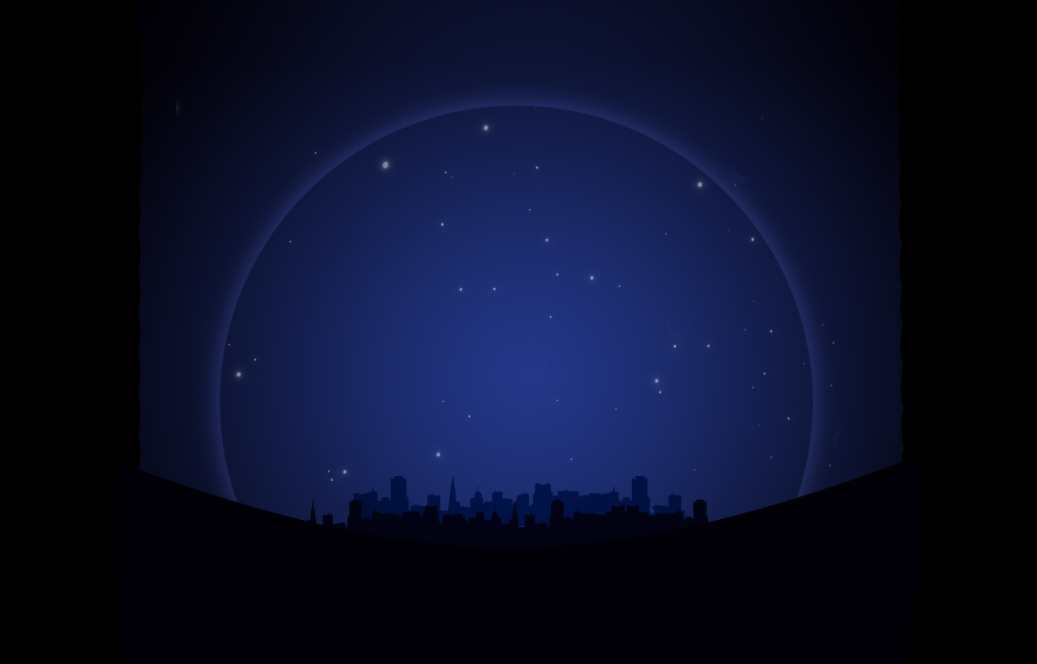
Night at the Museum: Battle of the Smithsonian | 117 | 60 | -60 | 0.23306030019 | 2 | 18360 | Night at the Museum: Battle of the Smithsonian
Ocean's Eleven | 53 | 27 | -27 | 0.24116286775
Pearl Harbor | 47 | 21 | -21 | 0.26106289095
Pirates of the Caribbean: At World's End | 60 | 30 | -30 | 0.40683993847
Pirates of the Caribbean: Dead Man's Chest | 78 | 30 | -30 | 0.55625164444 | 1 | 10528 | Sherlock Holmes
Pirates of the Caribbean: On Stranger Tides | 64 | 22 | -22 | 0.31697833219 | 2 | 58574 | Sherlock Holmes: A Game of Shadows
Pirates of the Caribbean: The Curse of the Black Pearl | 74 | 22 | -22 | 0.40155994356
Planet of the Apes | 83 | 23 | -23 | 0.23670000791 | 1 | 869 | Planet of the Apes
Rise of the Planet of the Apes | 85 | 30 | -30 | 0.23239880495 | 2 | 61791 | Rise of the Planet of the Apes
Rush Hour 2 | 90 | 83 | -83 | 0.29735268294
Sherlock Holmes | 94 | 21 | -21 | 0.27484271137 | 1 | 285 | Pirates of the Caribbean: At World's End
Sherlock Holmes: A Game of Shadows | 89 | 23 | -23 | 0.24664267966 | 2 | 1865 | Pirates of the Caribbean: On Stranger Tides
Signs | 57 | 37 | -37 | 0.29975534166 | 3 | 22 | Pirates of the Caribbean: The Curse of the Black Pearl
Skyfall | 83 | 55 | -55 | 0.40020767519 | 4 | 58 | Pirates of the Caribbean: Dead Man's Chest
Spider-Man | 30 | 47 | -47 | 0.53083927835
Spider-Man 2 | 37 | 40 | -40 | 0.4909599242
Spider-Man 3 | 23 | 40 | -40 | 0.44250850184
Star Trek | 76 | 73 | -73 | 0.33885880038
Star Wars: Episode II - Attack of the Clones | 80 | 70 | -70 | 0.40851176125 | 1 | 1894 | Star Wars: Episode II - Attack of the Clones
Star Wars: Episode III - Revenge of the Sith | 86 | 72 | -72 | 0.5000126646 | 2 | 1895 | Star Wars: Episode III - Revenge of the Sith
Superman Returns | 34 | 33 | -33 | 0.26307412203
Ted | 95 | 73 | -73 | 0.28747797385
The Amazing Spider-Man | 27 | 33 | -33 | 0.34454786118
The Avengers | 30 | 40 | -40 | 0.81955917822
The Blind Side | 103 | 27 | -27 | 0.33655280365
The Bourne Supremacy | 112 | 74 | -74 | 0.23148951543 | 1 | 2502 | The Bourne Supremacy
The Bourne Ultimatum | 117 | 69 | -69 | 0.29878145697 | 2 | 2503 | The Bourne Ultimatum
The Chronicles of Narnia: The Lion | 97 | 57 | -57 | 0.38357344148
The Da Vinci Code | 127 | 53 | -53 | 0.28604137477
The Dark Knight | 45 | 40 | -40 | 0.70126490559
The Dark Knight Rises | 43 | 50 | -50 | 0.58925338151
The Day After Tomorrow | 133 | 38 | -38 | 0.24554698657
The Hangover | 107 | 79 | -79 | 0.3646433122
The Hangover Part II | 102 | 77 | -77 | 0.33458781021
The Hobbit: An Unexpected Journey | 67 | 53 | -53 | 0.39762090218
The Hunger Games | 30 | 71 | -71 | 0.53648404757
The Karate Kid | 20 | 70 | -70 | 0.23220284064 | 1 | 1858 | Transformers
The Lord of the Rings: The Fellowship of the Ring | 62 | 50 | -50 | 0.41266951232 | 2 | 38356 | Transformers: Dark of the Moon
The Lord of the Rings: The Return of the King | 70 | 35 | -35 | 0.49574799916 | 3 | 8373 | Transformers: Revenge of the Fallen
The Lord of the Rings: The Two Towers | 77 | 40 | -40 | 0.44770056581
The Matrix Reloaded | 102 | 36 | -36 | 0.370138481
The Mummy Returns | 23 | 62 | -62 | 0.26562273097
The Passion of the Christ | 112 | 55 | -55 | 0.48687455127
The Perfect Storm | 117 | 43 | -43 | 0.24012758708
The Twilight Saga: Breaking Dawn - Part 1 | 59 | 76 | -76 | 0.36985381784 | 1 | 120 | The Lord of the Rings: The Fellowship of the Ring
The Twilight Saga: Breaking Dawn - Part 2 | 55 | 72 | -72 | 0.38434802856 | 2 | 122 | The Lord of the Rings: The Return of the King
The Twilight Saga: Eclipse | 47 | 73 | -73 | 0.39516213345 | 3 | 121 | The Lord of the Rings: The Two Towers
The Twilight Saga: New Moon | 43 | 80 | -80 | 0.39003465282
Thor | 35 | 55 | -55 | 0.23801939422
Transformers | 36 | 66 | -66 | 0.41914196355
Transformers: Dark of the Moon | 44 | 61 | -61 | 0.463321591
Transformers: Revenge of the Fallen | 51 | 66 | -66 | 0.52869638095 | 1 | 8966 | Twilight
Twilight | 47 | 86 | -86 | 0.25173964902 | 2 | 18239 | The Twilight Saga: New Moon
War of the Worlds | 115 | 27 | -27 | 0.30805424695 | 3 | 24021 | The Twilight Saga: Eclipse
Wedding Crashers | 127 | 30 | -30 | 0.2751042202 | 4 | 50620 | The Twilight Saga: Breaking Dawn - Part 2
What Women Want | 125 | 33 | -33 | 0.24037306711 | 5 | 50619 | The Twilight Saga: Breaking Dawn - Part 1
X2: X-Men United | 19 | 30 | -30 | 0.28263922079
X-Men Origins: Wolverine | 40 | 30 | -30 | 0.23653074688
X-Men: The Last Stand | 30 | 25 | -25 | 0.30816332961

